Figure1
 | Column1
Market risks | 26%
Financial risk | 21%
Economic risks | 19%
Personnel risks | 11%
Poperational risks | 9%
Legal risks | 7%
Security risks | 6%
Other risks | 1%

 |  | Figure 1. Share of identified key risks of SMEs in Slovakia in 2017

Figure 2
 |  | Micro sized enterprises | Small sized enterprises | Medium sized enterprises
 | Box1 | 20% | 20% | 20%
 | Box2 | 10% | 10% | 10%
 | Box3 | 10% | 10% | 10%
 | Median | 33% | 33% | 30%

 |  | 10% | 10% | 10%
 |  | 30% | 30% | 20%
 | Outliers | 80%

Figure 2. Results of the graphical representation of perceived market risks in dependence on enterprise size using Box and Whisker plot

Figure 3
 | Box1 | Box2 | Box3 | Median | Outliers | Outliers
Less than 1 year | 20% | 25% | 0% | 30%
From 1 to 5 years | 30% | 10% | 5% | 35% | 70% | 80%
From 5 years to 10 years | 20% | 10% | 10% | 37% | 100%
More than 10 years | 30% | 10% | 10% | 38% | 90% | 100%

 |  | Less than 1 year | From 1 to 5 years | From 5 years to 10 years | More than 10 years
 | Box1 | 20% | 30% | 20% | 30%
 | Box2 | 25% | 10% | 10% | 10%
 | Box3 | 0% | 5% | 10% | 10%
 | Median | 30% | 35% | 37% | 38%

 |  | 10% | 20% | 10% | 20%
 |  | 15% | 15% | 25% | 30%
 | Outliers |  | 70% | 100% | 90%
 |  |  | 80% |  | 100%

Figure 3 Results of the graphical depiction of the perceived market risks in dependence on the duration of the business by using Box and Whisker

Figure 4
Market risks | 0.24
Financial risks | 0.19
Personnel risks | 0.19
Economic risks | 0.16
Operational risks | 0.1
Legal risks | 0.06
Safety risks | 0.05
Other risks | 0.01

 | Market risks | 24%
 | Financial risks | 19%
 | Personnel risks | 19%
 | Economic risks | 16%
 | Operational risks | 10%
 | Legal risks | 6%
 | Safety risks | 5%
 | Other risks | 1%

Figure 4. The share of the identified entrepreneurial risks of the SMEs in the Czech Republic in 2017

Figure 5
Market risks | 0.2
Financial risks | 0.16
Personnel risks | 0.15
Economic risks | 0.14
Safety risks | 0.12
Legal risks | 0.11
Operational risks | 0.11
Other risks | 0.01

Market risks | 20%
Financial risks | 16%
Personnel risks | 15%
Economic risks | 14%
Safety risks | 12%
Legal risks | 11%
Operational risks | 11%
Other risks | 1%

 |  | Figure 5. The share of the identified entrepreneurial risks of the SMEs in Poland in 2017.
 |  | source: Own study based on the research results (n=498)

Figure 6
Market risks | 0.19
Personnel risks | 0.18
Financial risks | 0.16
Operational risks | 0.14
Economic risks | 0.13
Safety risks | 0.11
Legal risks | 0.08
Other risks | 0.01
 | Market risks | 19%
 | Personnel risks | 18%
 | Financial risks | 16%
 | Operational risks | 14%
 | Economic risks | 13%
 | Safety risks | 11%
 | Legal risks | 8%
 | Other risks | 1%

Figure 6 The share of the identified entrepreneurial risks of the SMEs in Hungary in 2017

Hárok6
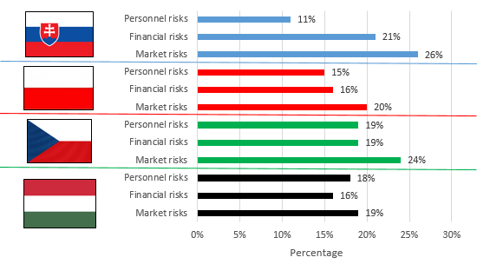

Figure 7 The share of the identified entrepreneurial risks of the SMEs in Slovakia, the Czech Republic, Poland and Hungary

